WorkZone Characteristics
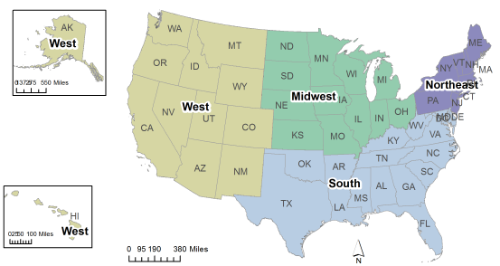
Pavement Rehabilitation User & Business Cost Tool
Developed by Auburn University through support from the National Asphalt Pavement Association (NAPA)

 | Run the Tool | Roadway Characteristics |  | Workzone Characteristics |  | User & Business Impact Cost Summary

 | Step 1: Reset or Clear the Form | AADT | 7200 | Average Hourly Vehicle Volume | 300 | Road User Costs |  | Local Business Impact Costs
 |  | Truck Volume (%) | 5% | Pre-Construction Posted Speed Limit (mph) | 65 | Cost per Personal Vehicle | $15.86 | Revenue Associated with Drivers Who Will…
 |  | Roadway Type | Two Lane Road (Arterial) | Current Posted Speed Limit (mph) | 25 | Cost per Freight Vehicle | $24.68 | ...Still Take Trip | $1.21
 | Step 2: Enter or Select Roadway, Workzone and | Roadway Access Type | No Control | Length of Project (miles) | 2 | Total Road User Cost… |  | ...Reschedule w/ Construction | $-
 | Surrounding Area Characteristics |  |  | Average Lane Width (ft) | 12 to 20 Feet | …per Hour | $4,889.64 | ...Reschedule w/o Construction | $627.91
 |  |  |  | Does the Workzone have Lighting? | Yes | …per Work Day | $53,785.99 | ...Go Somewhere Else | $20,462.49
 | Step 3: Calculate the Total Costs |  |  | Duration of Project (Days) | 8 | …per Project Duration | $430,287.88 | ...Cancel Trip Entirely | $-
 |  |  |  | Average Delay Time (min) | 30 |  |  | Total Lost Revenue Cost…
 |  | Surrounding Area Characteristics |  | Month of Project | June | Crash Mitigation Costs |  | …per Hour | $20,462.49
 |  |  |  | Day of Project | Tuesday | Most Likely Crash Type | PDO | …per Work Day | $225,087.35
 |  | Census Region of Project | Midwest | Starting Hour of Project | 6:00:00 | Total Crash Mitigation Cost… |  | …per Project Duration | $1,800,698.80
 |  | Urban or Rural Development | Urban | Closing Hour of Project | 17:00:00 | …per Hour | $84.09
 |  | Personal Vehicle Value of Time | General Personal (Intercity) | Type of Surface Project | Asphalt Concrete | …per Work Day | $925.00
 |  | Freight Value of Time | General Work/Business |  |  | …per Project Duration | $7,400.00 | TOTAL IMPACT COSTS...
 |  | Average Gasoline Price per Gallon | $3.20 |  |  |  |  | …per Hour | $25,436.21
 |  | Average Diesel Price per Gallon | $3.20 |  |  |  |  | …per Day | $279,798.33
 |  | Average/Expected Weather Pattern | Clear |  |  |  |  | …per Project Duration | $2,238,386.68
 |  | Surrounding Business | Grocery

